Sorted_Data
ID | Segment | Country | Date | Profit
113 | Channel Partners | Canada | 2021-07-01 | -34980
282 | Channel Partners | Canada | 2021-01-01 | -7921
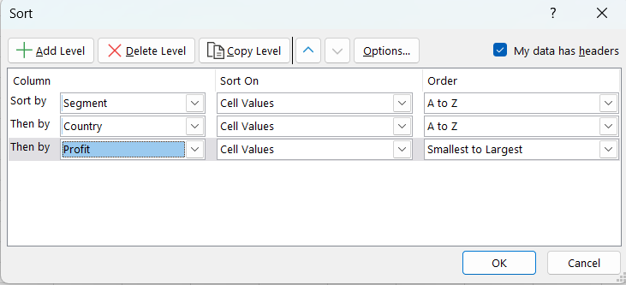
33 | Channel Partners | Canada | 2021-03-01 | 25467
221 | Channel Partners | Canada | 2021-11-01 | 39668
526 | Channel Partners | Canada | 2021-08-01 | 55010
27 | Channel Partners | Canada | 2021-10-01 | 165656
659 | Channel Partners | Canada | 2021-04-01 | 173199
72 | Channel Partners | Canada | 2021-06-01 | 247286
38 | Channel Partners | France | 2021-03-01 | 16452
329 | Channel Partners | France | 2021-09-01 | 60921
131 | Channel Partners | France | 2021-12-01 | 74221
441 | Channel Partners | France | 2021-12-01 | 82089
423 | Channel Partners | France | 2021-08-01 | 87532
8 | Channel Partners | France | 2021-06-01 | 108879
568 | Channel Partners | France | 2021-12-01 | 142874
309 | Channel Partners | France | 2021-08-01 | 149617
165 | Channel Partners | France | 2021-06-01 | 155904
405 | Channel Partners | France | 2021-12-01 | 219249
640 | Channel Partners | Germany | 2021-04-01 | 27542
413 | Channel Partners | Germany | 2021-07-01 | 36046
482 | Channel Partners | Germany | 2021-07-01 | 57399
111 | Channel Partners | Germany | 2021-01-01 | 123287
591 | Channel Partners | Germany | 2021-12-01 | 166353
346 | Channel Partners | Germany | 2021-05-01 | 166490
184 | Channel Partners | Germany | 2021-12-01 | 169991
342 | Channel Partners | Germany | 2021-01-01 | 180969
174 | Channel Partners | Mexico | 2021-10-01 | -37886
88 | Channel Partners | Mexico | 2021-01-01 | 36125
636 | Channel Partners | Mexico | 2021-08-01 | 86220
325 | Channel Partners | Mexico | 2021-10-01 | 93656
46 | Channel Partners | Mexico | 2021-09-01 | 135801
451 | Channel Partners | Mexico | 2021-09-01 | 242254
403 | Channel Partners | United States of America | 2021-07-01 | 12909
681 | Channel Partners | United States of America | 2021-08-01 | 17711
686 | Channel Partners | United States of America | 2021-10-01 | 18670
594 | Channel Partners | United States of America | 2021-12-01 | 47888
115 | Channel Partners | United States of America | 2021-05-01 | 72086
127 | Channel Partners | United States of America | 2021-10-01 | 84660
280 | Channel Partners | United States of America | 2021-02-01 | 180474
84 | Channel Partners | United States of America | 2021-04-01 | 191293
302 | Channel Partners | United States of America | 2021-01-01 | 193122
128 | Channel Partners | United States of America | 2021-12-01 | 201069
211 | Channel Partners | United States of America | 2021-11-01 | 207031
492 | Channel Partners | United States of America | 2021-01-01 | 244677
926 | Enterprise | Canada | 2021-06-01 | 6105
949 | Enterprise | Canada | 2021-12-01 | 8406
950 | Enterprise | Canada | 2021-06-01 | 27137
819 | Enterprise | Canada | 2021-05-01 | 59423
733 | Enterprise | Canada | 2021-11-01 | 146394
963 | Enterprise | Canada | 2021-09-01 | 193691
864 | Enterprise | France | 2021-06-01 | 7110
842 | Enterprise | France | 2021-08-01 | 19225
739 | Enterprise | France | 2021-11-01 | 86186
688 | Enterprise | France | 2021-03-01 | 87460
803 | Enterprise | France | 2021-07-01 | 96209
780 | Enterprise | France | 2021-08-01 | 131983
894 | Enterprise | France | 2021-10-01 | 154630
911 | Enterprise | France | 2021-06-01 | 161165
870 | Enterprise | France | 2021-11-01 | 222162
893 | Enterprise | France | 2021-02-01 | 230726
825 | Enterprise | Germany | 2021-06-01 | 32352
977 | Enterprise | Germany | 2021-05-01 | 82968
805 | Enterprise | Germany | 2021-02-01 | 134977
796 | Enterprise | Germany | 2021-06-01 | 137843
858 | Enterprise | Germany | 2021-03-01 | 150851
738 | Enterprise | Germany | 2021-12-01 | 158679
777 | Enterprise | Germany | 2021-06-01 | 190517
762 | Enterprise | Mexico | 2021-06-01 | -15140
874 | Enterprise | Mexico | 2021-10-01 | 5652
748 | Enterprise | Mexico | 2021-07-01 | 5850
952 | Enterprise | Mexico | 2021-07-01 | 7819
695 | Enterprise | Mexico | 2021-06-01 | 17043
706 | Enterprise | Mexico | 2021-01-01 | 48442
891 | Enterprise | Mexico | 2021-02-01 | 173392
867 | Enterprise | Mexico | 2021-06-01 | 259896
930 | Enterprise | United States of America | 2021-03-01 | 34334
728 | Enterprise | United States of America | 2021-04-01 | 175220
973 | Enterprise | United States of America | 2021-07-01 | 229218
2474 | Government | Canada | 2021-01-01 | 6460
2352 | Government | Canada | 2021-06-01 | 17150
1489 | Government | Canada | 2021-05-01 | 24879
1332 | Government | Canada | 2021-07-01 | 26819
1191 | Government | Canada | 2021-02-01 | 33850
1709 | Government | Canada | 2021-02-01 | 33876
1329 | Government | Canada | 2021-07-01 | 36547
1583 | Government | Canada | 2021-02-01 | 56810
1331 | Government | Canada | 2021-12-01 | 60882
2439 | Government | Canada | 2021-12-01 | 71529
2176 | Government | Canada | 2021-04-01 | 73163
2001 | Government | Canada | 2021-02-01 | 74022
1471 | Government | Canada | 2021-12-01 | 81048
1256 | Government | Canada | 2021-06-01 | 91931
1719 | Government | Canada | 2021-06-01 | 95791
1381 | Government | Canada | 2021-08-01 | 102572
2333 | Government | Canada | 2021-07-01 | 103592
1547 | Government | Canada | 2021-12-01 | 129328
1488 | Government | Canada | 2021-02-01 | 155266
2455 | Government | Canada | 2021-02-01 | 157993
1624 | Government | Canada | 2021-05-01 | 166824
1727 | Government | Canada | 2021-04-01 | 196137
1037 | Government | Canada | 2021-12-01 | 198140
1776 | Government | Canada | 2021-04-01 | 216555
1615 | Government | Canada | 2021-08-01 | 217962
1823 | Government | Canada | 2021-05-01 | 223042
2480 | Government | France | 2021-12-01 | 1365
1667 | Government | France | 2021-05-01 | 8950
2390 | Government | France | 2021-08-01 | 10877
1307 | Government | France | 2021-02-01 | 13845
1004 | Government | France | 2021-08-01 | 22746
1019 | Government | France | 2021-11-01 | 25301
1531 | Government | France | 2021-09-01 | 27327
2441 | Government | France | 2021-10-01 | 39494
1572 | Government | France | 2021-07-01 | 44394
1553 | Government | France | 2021-10-01 | 86460
2245 | Government | France | 2021-07-01 | 86843
1210 | Government | France | 2021-08-01 | 109849
1783 | Government | France | 2021-12-01 | 112636
2475 | Government | France | 2021-03-01 | 114470
1079 | Government | France | 2021-03-01 | 132363
2099 | Government | France | 2021-04-01 | 145328
1686 | Government | France | 2021-07-01 | 173616
1848 | Government | France | 2021-10-01 | 175018
1324 | Government | France | 2021-11-01 | 188860
1722 | Government | France | 2021-04-01 | 201120
2239 | Government | France | 2021-04-01 | 203878
1668 | Government | France | 2021-01-01 | 210209
1355 | Government | France | 2021-06-01 | 216695
1244 | Government | France | 2021-07-01 | 219148
1868 | Government | France | 2021-01-01 | 248756
983 | Government | France | 2021-10-01 | 249705
1975 | Government | Germany | 2021-04-01 | 259
1912 | Government | Germany | 2021-02-01 | 5187
1743 | Government | Germany | 2021-01-01 | 6345
2478 | Government | Germany | 2021-02-01 | 8721
1112 | Government | Germany | 2021-10-01 | 13328
1809 | Government | Germany | 2021-07-01 | 23560
1746 | Government | Germany | 2021-01-01 | 60394
1011 | Government | Germany | 2021-08-01 | 85536
1964 | Government | Germany | 2021-01-01 | 100486
2458 | Government | Germany | 2021-07-01 | 121986
1691 | Government | Germany | 2021-12-01 | 151084
1022 | Government | Germany | 2021-07-01 | 152936
1590 | Government | Germany | 2021-10-01 | 169915
1091 | Government | Germany | 2021-10-01 | 174302
1253 | Government | Germany | 2021-02-01 | 187979
2100 | Government | Germany | 2021-04-01 | 189847
1053 | Government | Germany | 2021-11-01 | 211082
1574 | Government | Germany | 2021-09-01 | 217075
1434 | Government | Germany | 2021-04-01 | 220171
1788 | Government | Germany | 2021-05-01 | 232025
2136 | Government | Germany | 2021-05-01 | 240648
1296 | Government | Mexico | 2021-01-01 | 1661
1285 | Government | Mexico | 2021-02-01 | 7298
1446 | Government | Mexico | 2021-12-01 | 9682
2187 | Government | Mexico | 2021-09-01 | 13179
1567 | Government | Mexico | 2021-02-01 | 22003
1903 | Government | Mexico | 2021-12-01 | 22305
2486 | Government | Mexico | 2021-12-01 | 54633
1377 | Government | Mexico | 2021-05-01 | 57755
2184 | Government | Mexico | 2021-08-01 | 67090
2376 | Government | Mexico | 2021-04-01 | 81846
2009 | Government | Mexico | 2021-05-01 | 124153
1107 | Government | Mexico | 2021-03-01 | 126174
1675 | Government | Mexico | 2021-04-01 | 137705
1342 | Government | Mexico | 2021-06-01 | 139728
2479 | Government | Mexico | 2021-09-01 | 160752
1540 | Government | Mexico | 2021-06-01 | 165992
1688 | Government | Mexico | 2021-02-01 | 168122
1829 | Government | Mexico | 2021-07-01 | 185869
1774 | Government | Mexico | 2021-01-01 | 208053
1413 | Government | Mexico | 2021-09-01 | 209590
1526 | Government | Mexico | 2021-04-01 | 214102
1353 | Government | Mexico | 2021-09-01 | 220591
1396 | Government | Mexico | 2021-08-01 | 229197
979 | Government | Mexico | 2021-06-01 | 234786
1683 | Government | Mexico | 2021-09-01 | 242971
1706 | Government | Mexico | 2021-04-01 | 247904
2466 | Government | Mexico | 2021-09-01 | 258051
1121 | Government | Mexico | 2021-05-01 | 258583
2259 | Government | United States of America | 2021-12-01 | -21877
1070 | Government | United States of America | 2021-01-01 | 8675
1398 | Government | United States of America | 2021-08-01 | 19002
2423 | Government | United States of America | 2021-08-01 | 23010
1505 | Government | United States of America | 2021-10-01 | 24838
2000 | Government | United States of America | 2021-03-01 | 29435
1782 | Government | United States of America | 2021-03-01 | 30219
1636 | Government | United States of America | 2021-04-01 | 35096
1048 | Government | United States of America | 2021-01-01 | 41318
1115 | Government | United States of America | 2021-03-01 | 48808
1989 | Government | United States of America | 2021-04-01 | 61230
1653 | Government | United States of America | 2021-07-01 | 64755
1833 | Government | United States of America | 2021-04-01 | 73394
2214 | Government | United States of America | 2021-02-01 | 86142
2301 | Government | United States of America | 2021-01-01 | 95623
1045 | Government | United States of America | 2021-08-01 | 99343
1525 | Government | United States of America | 2021-02-01 | 105602
1429 | Government | United States of America | 2021-06-01 | 115261
1024 | Government | United States of America | 2021-08-01 | 124717
1084 | Government | United States of America | 2021-12-01 | 130275
1415 | Government | United States of America | 2021-12-01 | 135311
2369 | Government | United States of America | 2021-07-01 | 138473
1537 | Government | United States of America | 2021-01-01 | 142596
1200 | Government | United States of America | 2021-09-01 | 147727
1260 | Government | United States of America | 2021-12-01 | 152076
2407 | Government | United States of America | 2021-08-01 | 155980
2044 | Government | United States of America | 2021-05-01 | 164464
1674 | Government | United States of America | 2021-08-01 | 191733
2207 | Government | United States of America | 2021-02-01 | 210276
1269 | Government | United States of America | 2021-09-01 | 213879
2033 | Government | United States of America | 2021-10-01 | 225220
1227 | Government | United States of America | 2021-10-01 | 231047
2318 | Government | United States of America | 2021-12-01 | 244284
1839 | Government | United States of America | 2021-06-01 | 254580
2735 | Midmarket | Canada | 2021-07-01 | 12894
2561 | Midmarket | Canada | 2021-02-01 | 15238
2913 | Midmarket | Canada | 2021-01-01 | 25860
2537 | Midmarket | Canada | 2021-08-01 | 110965
2754 | Midmarket | Canada | 2021-03-01 | 117440
3085 | Midmarket | Canada | 2021-02-01 | 134107
2862 | Midmarket | Canada | 2021-10-01 | 139432
2539 | Midmarket | Canada | 2021-06-01 | 159478
2821 | Midmarket | Canada | 2021-01-01 | 161532
2655 | Midmarket | Canada | 2021-04-01 | 173334
2916 | Midmarket | Canada | 2021-04-01 | 244904
2601 | Midmarket | France | 2021-05-01 | 1519
2933 | Midmarket | France | 2021-01-01 | 6256
2972 | Midmarket | France | 2021-08-01 | 7382
2897 | Midmarket | France | 2021-08-01 | 23250
2654 | Midmarket | France | 2021-02-01 | 27849
3094 | Midmarket | France | 2021-01-01 | 28289
2715 | Midmarket | France | 2021-11-01 | 39271
3099 | Midmarket | France | 2021-06-01 | 65162
2549 | Midmarket | France | 2021-06-01 | 96983
3088 | Midmarket | France | 2021-10-01 | 104379
2749 | Midmarket | France | 2021-03-01 | 133951
2811 | Midmarket | France | 2021-01-01 | 151301
3051 | Midmarket | France | 2021-09-01 | 200584
3018 | Midmarket | France | 2021-11-01 | 223295
2739 | Midmarket | France | 2021-10-01 | 236531
2642 | Midmarket | France | 2021-02-01 | 252387
2705 | Midmarket | Germany | 2021-03-01 | 6845
2852 | Midmarket | Germany | 2021-12-01 | 9630
3050 | Midmarket | Germany | 2021-03-01 | 51626
2839 | Midmarket | Germany | 2021-11-01 | 63494
2816 | Midmarket | Germany | 2021-11-01 | 74813
2577 | Midmarket | Germany | 2021-04-01 | 89649
2896 | Midmarket | Germany | 2021-07-01 | 89802
2742 | Midmarket | Germany | 2021-10-01 | 128249
2495 | Midmarket | Germany | 2021-06-01 | 130437
2958 | Midmarket | Germany | 2021-02-01 | 194150
3027 | Midmarket | Germany | 2021-06-01 | 213069
2621 | Midmarket | Mexico | 2021-05-01 | 1696
2847 | Midmarket | Mexico | 2021-11-01 | 8463
3013 | Midmarket | Mexico | 2021-05-01 | 26172
2910 | Midmarket | Mexico | 2021-07-01 | 52513
2619 | Midmarket | Mexico | 2021-08-01 | 78549
2899 | Midmarket | Mexico | 2021-11-01 | 156072
2925 | Midmarket | Mexico | 2021-07-01 | 159745
2744 | Midmarket | Mexico | 2021-12-01 | 210352
2657 | Midmarket | Mexico | 2021-04-01 | 221658
3059 | Midmarket | Mexico | 2021-07-01 | 235104
2778 | Midmarket | Mexico | 2021-09-01 | 256402
3036 | Midmarket | United States of America | 2021-06-01 | 7190
2670 | Midmarket | United States of America | 2021-12-01 | 12709
3093 | Midmarket | United States of America | 2021-10-01 | 22810
2580 | Midmarket | United States of America | 2021-04-01 | 42319
2511 | Midmarket | United States of America | 2021-05-01 | 53266
3080 | Midmarket | United States of America | 2021-09-01 | 55991
2716 | Midmarket | United States of America | 2021-09-01 | 208038
2881 | Midmarket | United States of America | 2021-09-01 | 261354
3287 | Small Business | Canada | 2021-09-01 | 12156
3423 | Small Business | Canada | 2021-06-01 | 34080
3399 | Small Business | Canada | 2021-08-01 | 75634
3471 | Small Business | Canada | 2021-07-01 | 176652
3159 | Small Business | Canada | 2021-01-01 | 219774
3469 | Small Business | Canada | 2021-07-01 | 252080
3250 | Small Business | France | 2021-11-01 | 20238
3145 | Small Business | France | 2021-01-01 | 40778
3106 | Small Business | France | 2021-11-01 | 55433
3361 | Small Business | France | 2021-05-01 | 111998
3252 | Small Business | France | 2021-07-01 | 226327
3394 | Small Business | Germany | 2021-11-01 | 40179
3122 | Small Business | Germany | 2021-07-01 | 59920
3305 | Small Business | Germany | 2021-03-01 | 155535
3295 | Small Business | Germany | 2021-11-01 | 161110
3307 | Small Business | Germany | 2021-06-01 | 223894
3127 | Small Business | Germany | 2021-12-01 | 232472
3440 | Small Business | Germany | 2021-05-01 | 239368
3224 | Small Business | Germany | 2021-01-01 | 256329
3412 | Small Business | Mexico | 2021-02-01 | -11610
3249 | Small Business | Mexico | 2021-06-01 | 11238
3294 | Small Business | Mexico | 2021-02-01 | 11682
3312 | Small Business | Mexico | 2021-04-01 | 22839
3179 | Small Business | Mexico | 2021-03-01 | 39973
3443 | Small Business | Mexico | 2021-03-01 | 75969
3442 | Small Business | Mexico | 2021-10-01 | 86076
3333 | Small Business | Mexico | 2021-09-01 | 98246
3119 | Small Business | Mexico | 2021-12-01 | 100956
3108 | Small Business | Mexico | 2021-07-01 | 104422
3479 | Small Business | Mexico | 2021-05-01 | 125616
3120 | Small Business | Mexico | 2021-04-01 | 135272
3103 | Small Business | Mexico | 2021-03-01 | 201340
3450 | Small Business | United States of America | 2021-07-01 | -39689
3331 | Small Business | United States of America | 2021-06-01 | -14202
3498 | Small Business | United States of America | 2021-08-01 | 7269
3138 | Small Business | United States of America | 2021-11-01 | 28110
3454 | Small Business | United States of America | 2021-04-01 | 51383
3379 | Small Business | United States of America | 2021-09-01 | 74093
3125 | Small Business | United States of America | 2021-10-01 | 163127
3265 | Small Business | United States of America | 2021-02-01 | 192728
3189 | Small Business | United States of America | 2021-11-01 | 195638
3173 | Small Business | United States of America | 2021-08-01 | 216458
3268 | Small Business | United States of America | 2021-10-01 | 245470

Filtered_Data
ID | Segment | Country | Date | Profit
5 | Government | France | 2021-09-01 | 135801
25 | Channel Partners | France | 2021-09-01 | 60921
31 | Channel Partners | France | 2021-08-01 | 87532
34 | Midmarket | France | 2021-07-01 | 57399
57 | Government | France | 2021-07-01 | 96209
99 | Midmarket | France | 2021-09-01 | 147727
100 | Enterprise | France | 2021-08-01 | 109849
113 | Enterprise | France | 2021-07-01 | 26819
138 | Government | France | 2021-07-01 | 44394
151 | Government | France | 2021-07-01 | 173616
168 | Small Business | France | 2021-07-01 | 185869
207 | Channel Partners | France | 2021-09-01 | 258051
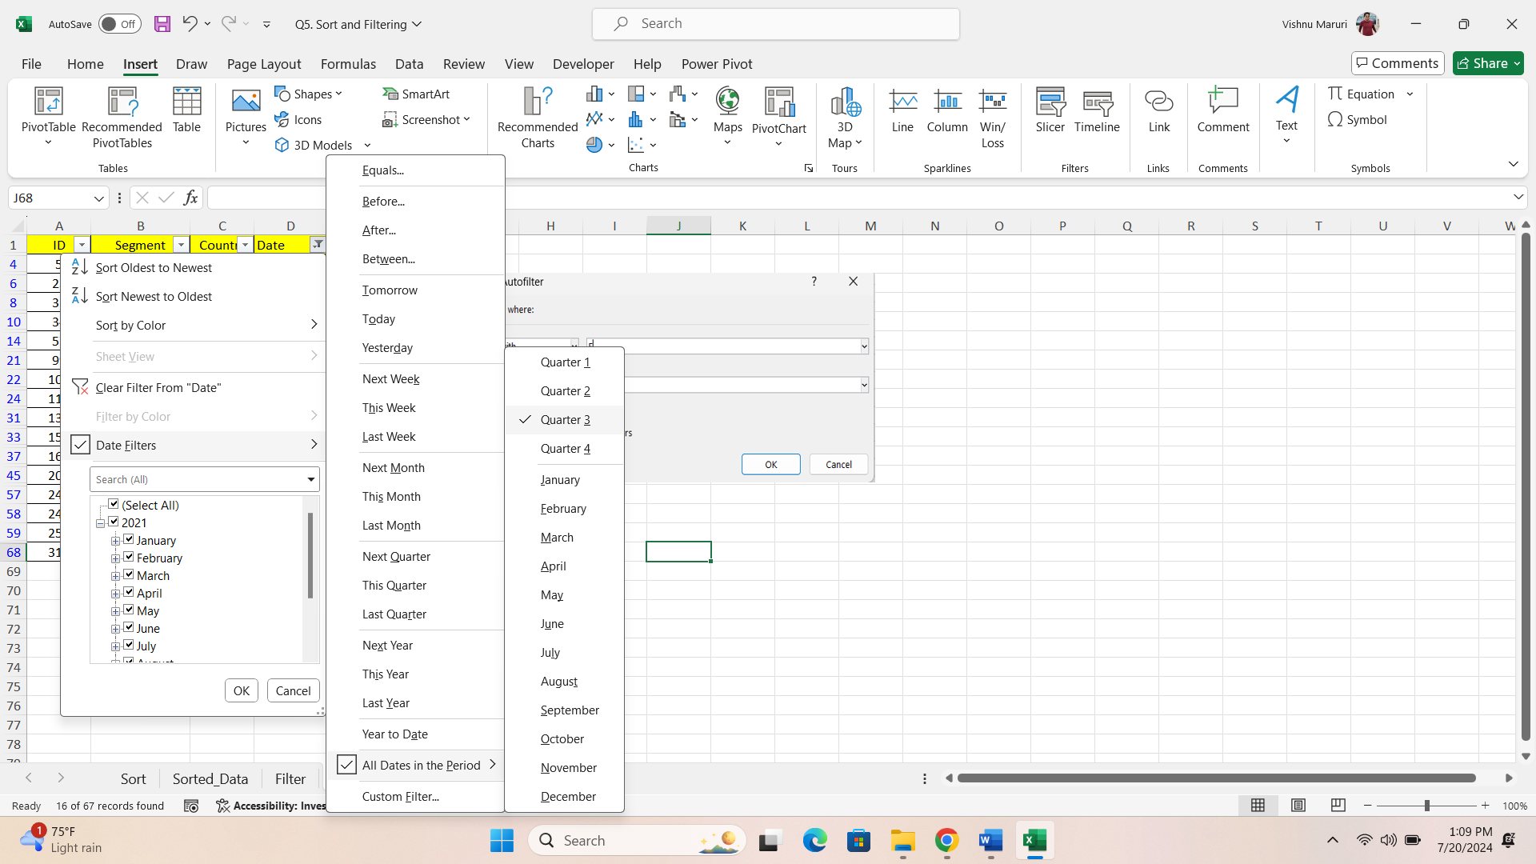
248 | Government | France | 2021-07-01 | 89802
249 | Government | France | 2021-08-01 | 23250
257 | Government | France | 2021-08-01 | 7382
311 | Midmarket | France | 2021-07-01 | 176652

